Sheet1
 |  | Document No. | Issue No. | Issue Date |  | Review and Replace Date |  | Authorised By
 |  | GFF242MC | 1 | 12.11.2020 |  | New Issue |  | Magda Shah
 |  | Document Title | CHICKEN DANSHAK 1250G
Document amendments reason for change |  | New launch |  |  | Page 1 of 1 | Previous Issue Date | New Issue | Uncontrolled copy unless signed original

CCDAN-B1BEB | BOOTHS - DELI |  | CHICKEN DANSHAK 1250G | CHILLED
STEP 1 |  |  |  |  | STEP 2
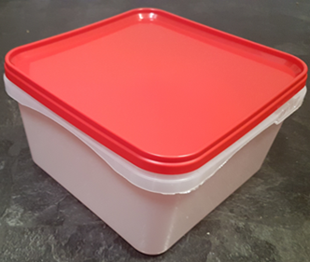 |  |  |  |  | 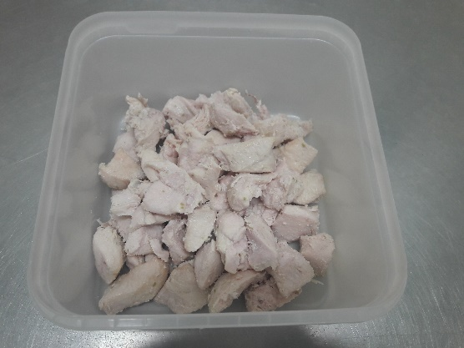

Tray/Lid: SALAD TUB RED LID NATURAL 2.4/4 LTR (PKSHA002-02) |  |  |  |  | Marinated British chicken 12-14g (GFF164R) 300g

STEP 3 |  |  |  |  | STEP 4
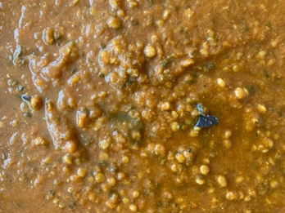 |  |  |  |  | 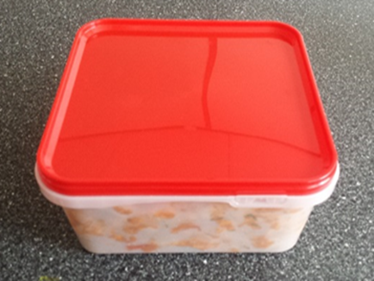
COOK DAY
+ 10 DAYS

Use by applied from Date of Cooking
(the oldest component)

Danshak Sauce (GFF339R): 950g |  |  |  |  | TOTAL WEIGHT: 1250g

ALLERGY ALERT: Barley

